Analysis 1

STARBUCKS

The Most Nutritious Drink For You


Tazo® Green Tea Latte

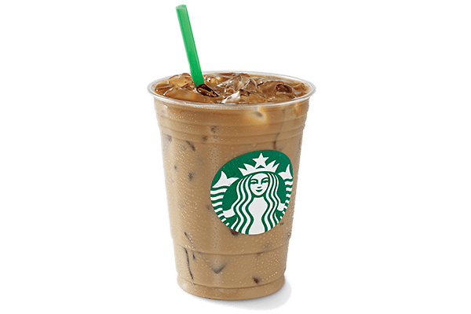
 | Total
Cappuccino | 1350
Caramel Macchiato | 1350
Caffè Latte | 1350
White Chocolate Mocha (Without Whipped Cream) | 1350
Vanilla Latte (Or Other Flavoured Latte) | 1350
Caffè Mocha (Without Whipped Cream) | 1605
 | Total
Caffè Latte | 125
Caffè Mocha (Without Whipped Cream) | 133
Hot Chocolate (Without Whipped Cream) | 140
Tazo® Green Tea Latte | 138
White Chocolate Mocha (Without Whipped Cream) | 150
 | Total
Caramel Macchiato | 1.71
Vanilla Latte (Or Other Flavoured Latte) | 1.81
Hot Chocolate (Without Whipped Cream) | 1.86
Caffè Latte | 1.96
Tazo® Green Tea Latte | 2.08
Best For Caffeine
Caffeine Content by Drinks (mg)
Best For Vitamins
Vitamin A Content by Drinks (mg)
Best For Protein
Protein Content by Drink (g)

Nutritional Information

Bad Fats
Trans Fat Content by Drink (g)
0
Calories
138
Proteins
 | Total
Caramel Macchiato | 20.5
Caffè Mocha (Without Whipped Cream) | 28.5
Hot Chocolate (Without Whipped Cream) | 29.5
Java Chip (Without Whipped Cream) | 35
White Chocolate Mocha (Without Whipped Cream) | 58.5
Trans fat is considered the worst type of fat to eat. Unlike other dietary fats raise "bad cholesterol and lowers "good" cholesterol.
A diet laden with trans fats increases the risks of hear diseases, which is one of the leading killer of adults.
Best For The Lowest Calories
Calroie Content by Drinks (mg)
 | Total
Tazo® Tea | 0
Espresso | 15
Brewed Coffee | 17
Caffè Americano | 55
Shaken Iced Tazo® Tea (With Classic Syrup) | 260
2.08
Vitamin A
1.49
Vitamin C
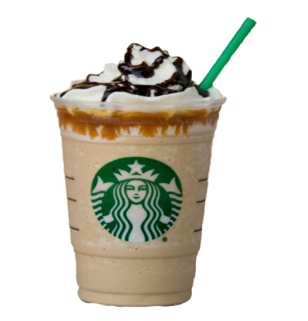

4.7
Calcium
1715
Carbohydrate

1.12
Iron
1500
Caffeine
Trans Fats are so unhealthy that the U.S. Food and Drug Administration(FDA) has prohibited food manufacturers from adding the major source of artificial trans fats to foods and beverages.

The Most Nutritious Drink is Tazo Green Tea Latte, becuase it contains all the needed nutrients needed daily by an average adult.

